Introduction
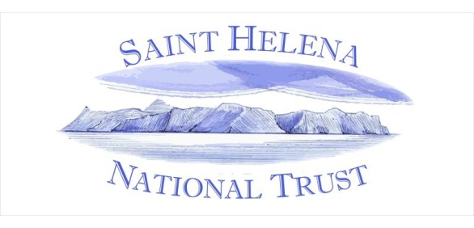
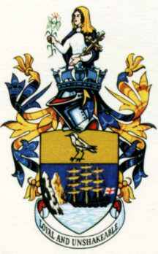
St Helena Pest and Biocontrol Species List

Version 1-0, 17/03/2015

David Pryce
Invertebrate Conservation Project Co-ordinator
St Helena National Trust
Broadway House, Jamestown, St Helena,
STHL 1ZZ, South Atlantic Ocean
Email: buglife.project@shnt.org.uk

General notes:

This list has been extracted from the full list of terrestrial invertebrates known to occur on St Helena.
In the worksheet 'Species' below is a list of the known terrestrial pests and biocontrols known known on the island.
This document is a work in progress and will be regularly updated.
To ensure that a consistent, standard list is maintained it is requested that any errors be referred the author by email.
Primary references are given in the 'References' worksheet.

Notes on the 'Species' worksheet:

Subclass / Superorder: | It has not been possible to assign a subclass or superorder to all taxa.
Species: | This is the most up-to-date species name I have available for each taxa.
 | Where a species is known to be on the island, but is either new to science or undetermined its name appears as reported in the literature.
Author: | The authority who described the species, in brackets if originally described in a different genus to the one it is in now.
Synonyms: | A list of all alternative names the species has been known under.
 | Some extremely large synonymies have been omitted, retaining those known to have been used in the St Helena literature.
Invalid names | This primarily consists of misidentifications, mis-spellings and temporary names used before a species was scientifically described.
Common Name: | Widely used names in plain text, ones proposed for use on St helena in bold.
Status | Whether the species is indigenous, non-native, intercepted during biosecurity checks or of unknown origin. This is followed by a matrix so that running totals can be kept at the bottom of the list.
Scarcity: | An approximation of the scarcity of the species on the island, defined as:
 | Rare: Only known from 1-2 sites.
 | Scarce: Only known from 3-5 sites, or all known sites clustered in a restricted part of the island such as the High Central Ridge or Prosperous Bay Plain.
 | Common: 6 or more sites over a wider geographic area.
 | Unknown: The species has been reported from the island but we currently have no knowledge of its continued presence or abundance.
 | This is followed by a matrix so that running totals can be kept at the bottom of the list.
Pest status | A matrix to show whether the species is a pest in the following situations:
 | Agricultural - a pest of species grown commercially or for home consumption.
 | Forestry - a pest on trees grown for timber.
 | On ornamentals - a pest on ornamental flowers, shrubs and trees in the garden.
 | Household / stored - a pest of stored foodstuffs in the household or warehouse environment.
 | Veterinary - a pest associated with livestock or pets.
 | Public health - species that sting, bite or pose other public health threats.
 | Environmental threat - species that pose a risk to endemic species as they are serious predators or species that might out-compete endemic species.
Major / minor importance | For species with pest status whether they are believed to be of major or minor importance.
Biocontrol | Species that have been deliberately introduced as a biocontrols.
First / last seen | The year the species was first recorded and when it was last seen.
Belgians: | The volume and page number for the species in the 'Faune Terrestre de l'île de Sainte-Hélène' (Basilewsky, 1970, 1972, 1977a, 1977b).
Ashmoles: | Page reference for the species in Ashmole & Ashmole (2000).
Peaks Report: | Page reference in Mendel, Ashmole & Ashmole (2008, print version).
PBP Report: | Species referred to in Ashmole & Ashmole (2004).
Comments: | Any comments or extra references for the species.

