8.3
8.3 | Cause of death
1991 - 2009 |  |  |  |  |  |  |  |  |  |  |  |  |  |  |  |  |  |  |  |  |  | numbers
 |  |  |  |  |  |  |  |  |  |  |  |  |  |  |  |  |  |  |  |  | 2002 - 2009
Cause of death |  | 1991 | 1992 | 1993 | 1994 | 1995 | 1996 | 1997 | 1998 | 1999 | 2000 | 2001 | 2002 | 2003 | 2004 | 2005 | 2006 | 2007 | 2008 | 2009 | Total | %
Cancers |  | 7 | 6 | 9 | 13 | 2 | 6 | 4 | 3 | 6 | 12 | 9 | 14 | 9 | 7 | 10 | 7 | 9 | 10 | 5 | 71 | 19
Heart diseases |  | 12 | 6 | 17 | 13 | 8 | 11 | 17 | 16 | 16 | 13 | 9 | 13 | 9 | 9 | 15 | 13 | 25 | 16 | 7 | 107 | 29
Strokes |  | 3 | 5 | 3 | 3 | 5 | 4 | 4 | 5 | 3 | 2 | 4 | 9 | 3 | 1 | 3 | 3 | 4 | 4 | 2 | 29 | 8
Respiratory |  | 2 | 10 | 5 | 10 | 4 | 14 | 2 | 3 | 6 | 6 | 9 | 4 | 2 | 4 | 2 | 4 | 2 | 4 | 9 | 31 | 8
Vascular diseases |  | 0 | 0 | 6 | 3 | 1 | 1 | 1 | 2 | 2 | 0 | 1 | 6 | 2 | 3 | 5 | 13 | 0 | 0 | 3 | 32 | 9
Gastro-intestinal |  | 3 | 0 | 2 | 1 | 2 | 1 | 1 | 1 | 4 | 0 | 0 | 1 | 0 | 2 | 0 | 1 | 0 | 0 | 1 | 5 | 1
Urinary tract |  | 1 | 2 | 2 | 0 | 1 | 3 | 0 | 1 | 4 | 8 | 0 | 0 | 6 | 0 | 3 | 0 | 0 | 0 | 0 | 9 | 2
Obstetric |  | 0 | 0 | 0 | 0 | 0 | 0 | 0 | 0 | 0 | 0 | 0 | 0 | 0 | 0 | 0 | 0 | 1 | 0 | 0 | 1 | 0
Neo-natal |  | 0 | 1 | 0 | 2 | 1 | 0 | 0 | 1 | 0 | 0 | 0 | 0 | 1 | 0 | 1 | 0 | 0 | 0 | 0 | 2 | 1
Other/not defined |  | 12 | 10 | 8 | 6 | 4 | 2 | 1 | 6 | 4 | 11 | 0 | 4 | 9 | 4 | 2 | 3 | 0 | 10 | 8 | 40 | 11
Accidents including traffic |  | 2 | 0 | 3 | 2 | 1 | 2 | 0 | 0 | 0 | 0 | 1 | 0 | 0 | 0 | 0 | 3 | 3 | 1 | 0 | 7 | 2
Suicides |  | 0 | 0 | 0 | 1 | 0 | 0 | 0 | 1 | 0 | 1 | 0 | 0 | 0 | 0 | 1 | 0 | 3 | 0 | 1 | 5 | 1
Homicide, violence |  | 0 | 0 | 0 | 0 | 0 | 0 | 0 | 0 | 0 | 0 | 0 | 0 | 0 | 1 | 0 | 0 | 0 | 0 | 0 | 1 | 0
Infectious diseases |  | 0 | 0 | 3 | 0 | 0 | 0 | 0 | 0 | 0 | 0 | 0 | 0 | 0 | 0 | 0 | 4 | 2 | 0 | 0 | 6 | 2
Haematological |  | 0 | 3 | 0 | 0 | 0 | 0 | 0 | 0 | 0 | 0 | 0 | 0 | 0 | 0 | 0 | 0 | 0 | 1 | 0 | 1 | 0
Metabolic - diabetes etc |  | 0 | 0 | 0 | 0 | 0 | 0 | 0 | 0 | 0 | 0 | 5 | 0 | 3 | 1 | 0 | 1 | 2 | 1 | 6 | 14 | 4
Nutritional |  | 0 | 0 | 0 | 0 | 0 | 0 | 0 | 0 | 0 | 0 | 0 | 0 | 0 | 1 | 0 | 0 | 3 | 0 | 0 | 4 | 1

Total |  | 42 | 43 | 58 | 54 | 29 | 44 | 30 | 39 | 45 | 53 | 38 | 51 | 44 | 33 | 42 | 52 | 54 | 47 | 42 | 365 | 100

NB: Data for 2010 - 2012 not yet available, update to be announced. |  |  |  |  |  |  |  |  |  |  |  |  |  |  |  |  |  |  |  |  |  | Source: Health and Social Welfare Directorate
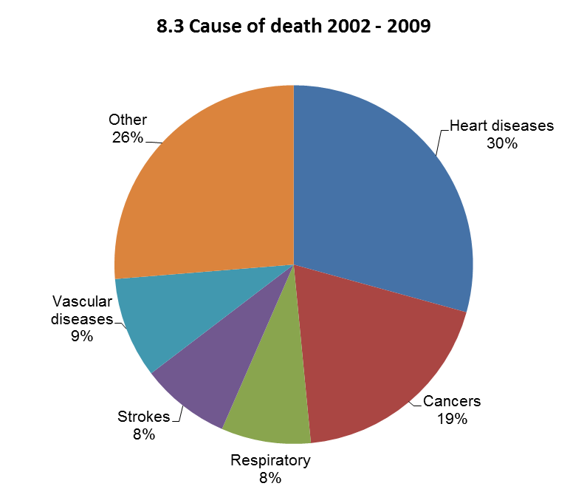
8.3 Cause of death 2002 - 2009

 |  |  |  |  |  |  |  |  |  |  |  |  |  |  |  |  |  |  |  |  | Go to next page
 |  |  |  |  |  |  |  |  |  |  |  |  |  |  |  |  |  |  |  |  | Back to contents

Source: Health and Social Welfare Directorate

8.6
8.6 | Educational qualifications
1982 - 2013 |  |  |  |  |  |  |  |  | numbers
 |  |  |  | GCSE and CVS |  |  |  | A Levels/AICE
 | Subject |  | Grade A - G Passes |  |  | Grade A - C Passes |  | Subject | A' level
 | entries | No. |  | % | No. |  | % | entries | passes

1982 | .. | .. |  | .. | 65 |  | .. | .. | 6
1983 | .. | .. |  | .. | 67 |  | .. | .. | 1
1984 | .. | .. |  | .. | 41 |  | .. | .. | 3
1985 | .. | .. |  | .. | 54 |  | .. | .. | 9
1986 | .. | .. |  | .. | 66 |  | .. | .. | 6
1987 | .. | .. |  | .. | 63 |  | .. | .. | 4
1988 | 132 | 128 |  | 97 | 77 |  | 58 | .. | 2
1989 1 | .. | .. |  | .. | 28 |  | .. | .. | 3
1990 | 422 | 367 |  | 87 | 157 |  | 37 | .. | 5
1991 | 381 | 339 |  | 89 | 91 |  | 24 | .. | 5
1992 | 544 | 488 |  | 90 | 147 |  | 27 | .. | 14
1993 | 534 | 510 |  | 96 | 119 |  | 22 | .. | 5
1994 | 393 | 344 |  | 88 | 87 |  | 22 | .. | 5
1995 | 503 | 483 |  | 96 | 137 |  | 27 | .. | 7
1996 | 375 | 353 |  | 94 | 99 |  | 26 | 27 | 24
1997 | 614 | 600 |  | 98 | 187 |  | 30 | 53 | 38
1998 | 560 | 512 |  | 91 | 140 |  | 25 | 54 | 33
1999 | 633 | 594 |  | 94 | 155 |  | 24 | 31 | 24
2000 | 478 | 460 |  | 96 | 134 |  | 28 | 77 | 60
2001 | 460 | 449 |  | 98 | 152 |  | 33 | 39 | 31
2002 | 412 | 410 |  | 100 | 140 |  | 34 | 61 | 31
2003 | 295 | 281 |  | 95 | 125 |  | 42 | 63 | 38
2004 | 278 | 272 |  | 98 | 118 |  | 42 | 78 | 55
2005 | 318 | 308 |  | 97 | 133 |  | 42 | 42 | 30
2006 | 335 | 332 |  | 99 | 151 |  | 45 | 51 | 29
2007 | 268 | 264 |  | 99 | 83 |  | 31 | 30 | 19
2008 | 399 | 398 |  | 100 | 181 |  | 45 | 49 | 39
2009 | 323 | 322 |  | 100 | 163 |  | 50 | 72 | 49
2010 | 367 | 344 |  | 94 | 152 |  | 41 | 73 | 45
2011 | 348 | 327 |  | 94 | 133 |  | 38 | 66 | 56
2012 | 348 | 344 |  | 99 | 158 |  | 45 | 14 | 11
2013 | 357 | 351 |  | 98 | 211 |  | 59 | 20 | 14

 |  |  |  |  |  |  |  |  | Source: Education and Employment Directorate
NB: As of June 2010 CVS examinations were no longer reported.
1 1989 was a year of disruption to the education system, with the opening of Prince Andrew School.
.. Data not available
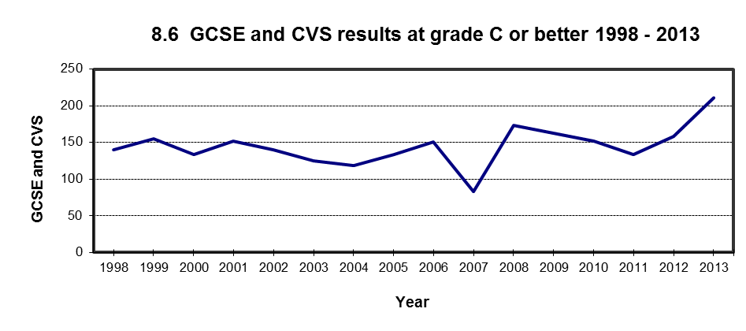

Source: Education and Employment Directorate

 |  |  |  |  |  |  |  | Go to next page
 |  |  |  |  |  |  |  | Back to contents

