2.1.1
2.1.1 | Enumerated population1 of St Helena, Ascension &
 | Tristan Da Cunha
1501-2008 |  |  |  |  |  |  | numbers
 |  | St Helena |  |  | Ascension2 |  | Tristan da Cunha
 | Males | Females | Total | Males | Females | Total | Total
1501 |  |  |  |  |  | Discovery
1502 |  |  | Discovery | .. | .. | ..
1506 | .. | .. | .. | .. | .. | .. | Discovery
1683 | .. | .. | 500 | .. | .. | .. | ..
1723 | .. | .. | 1,110 | .. | .. | .. | ..
1810 | .. | .. | .. | .. | .. | .. | 3
1814 | .. | .. | 3,507 | .. | .. | .. | ..
1851 | .. | .. | 6,914 | .. | .. | .. | 85
1880 | .. | .. | .. | .. | .. | .. | 102
1881 | .. | .. | 5,059 | .. | .. | .. | ..
1891 | .. | .. | 4,116 | .. | .. | .. | ..
1901 | .. | .. | 9,850 | .. | .. | .. | 73
1911 | .. | .. | 3,520 | .. | .. | .. | ..
1921 | .. | .. | 3,747 | .. | .. | .. | ..
1925 | .. | .. | .. | .. | .. | .. | 135
1931 | 1,904 | 2,091 | 3,995 | 114 | 12 | 126 | 150
1946 | 2,181 | 2,567 | 4,748 | 205 | 23 | 228 | 230
1956 | 2,224 | 2,418 | 4,642 | 308 | 28 | 336 | 248
1966 | 2,233 | 2,416 | 4,649 | 428 | 48 | 476 | 267
1976 | 2,514 | 2,633 | 5,147 | 539 | 180 | 719 | 292
1987 | 2,769 | 2,875 | 5,644 | 508 | 214 | 722 | 296
1998 | 2,612 | 2,545 | 5,157 | 458 | 254 | 712 | ..
2008 | 2,165 | 2,092 | 4,257 | 401 | 309 | 710 | 264

 |  |  |  |  |  |  | Sources: St Helena and Ascension 2008 Population Census Report;
1 Enumerated population includes visitors. |  |  |  |  |  |  | Tristan da Cunha.
2 For Ascension, only St Helenians are enumerated.
.. Data not available
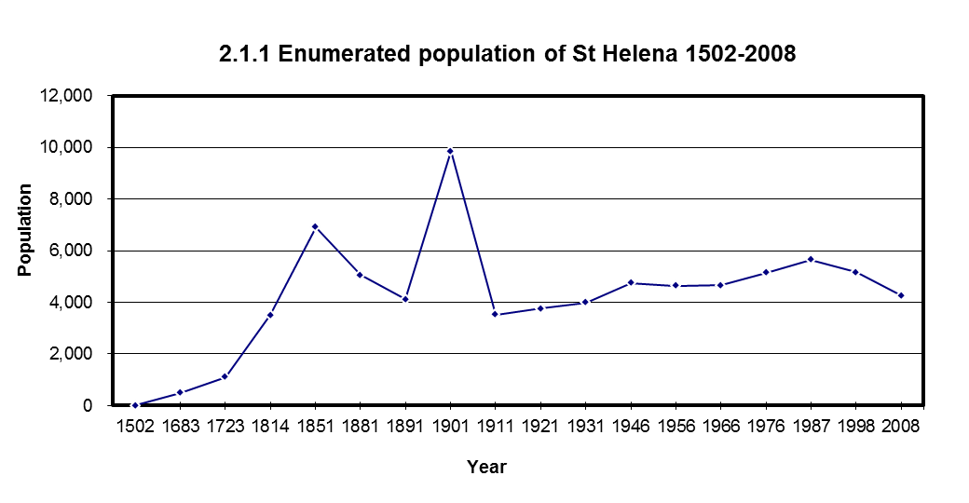

Sources: St Helena and Ascension 2008 Population Census Report; Tristan da Cunha.

 |  |  |  |  |  |  | Go to next page
 |  |  |  |  |  |  | Back to contents

2.1.2
2.1.2 |  | Estimated resident population of St Helena
2008 - 2014 |  |  | St Helenian Population | Total Population
 | 2008 Census Baseline |  | 3,981 | 4,077

 |  |  |  | Estimated Population
2008 | Qtr 2 |  | 3,850 | 3,940
 | Qtr 3 |  | 3,780 | 3,870
 | Qtr 4 |  | 3,920 | 4,020

2009 | Qtr 1 |  | 3,950 | 4,050
 | Qtr 2 |  | 3,860 | 3,920
 | Qtr 3 |  | 3,830 | 3,900
 | Qtr 4 |  | 4,000 | 4,110

2010 | Qtr 1 |  | 3,940 | 4,080
 | Qtr 2 |  | 3,920 | 4,060
 | Qtr 3 |  | 3,890 | 3,990
 | Qtr 4 |  | 4,060 | 4,220

2011 | Qtr 1 |  | 4,010 | 4,110
 | Qtr 2 |  | 3,930 | 4,040
 | Qtr 3 |  | 3,880 | 3,970 | r
 | Qtr 4 |  | 4,000 | 4,090

2012 | Qtr 1 |  | 4,020 | 4,180
 | Qtr 2 |  | 3,940 | 4,080
 | Qtr 3 |  | 3,920 | 4,060
 | Qtr 4 |  | 4,060 | 4,280

2013 | Qtr 1 |  | 3,990 | 4,260
 | Qtr 2 |  | 4,010 | 4,280
 | Qtr 3 |  | 3,970 | 4,230
 | Qtr 4 |  | 4,100 | 4,420

2014 | Qtr 1 |  | 4,110 | 4,530
 | Qtr 2 |  | 4,010 | 4,430
 | Qtr 3 |  | 4,030 | 4,440
 | Qtr 4 |  | 4,170 | 4,670

2.1.2 Estimated population of St Helena - Qtr 1 2008 - Qtr 4 2014
 |  |  |  | Source: Statistics Office, CPPU
NB: These figures are an average over the quarter, rounded to the nearest 10
r Revised from previous Yearbook publication.

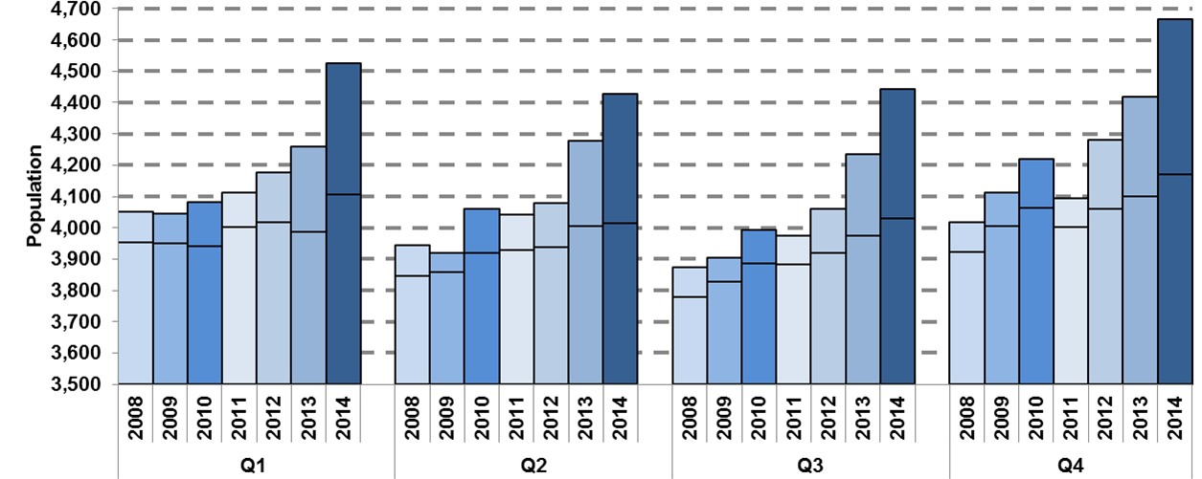

Source: Statistics Office, CPPU

NB: Estimated resident population of St Helena Qtr1 2008 - Qtr 4 2014. Top of bar = total population, lower line = St Helenian population.
 |  |  |  |  |  | Go to next page
 |  |  |  |  |  | Back to contents

2.2 & 2.3chart
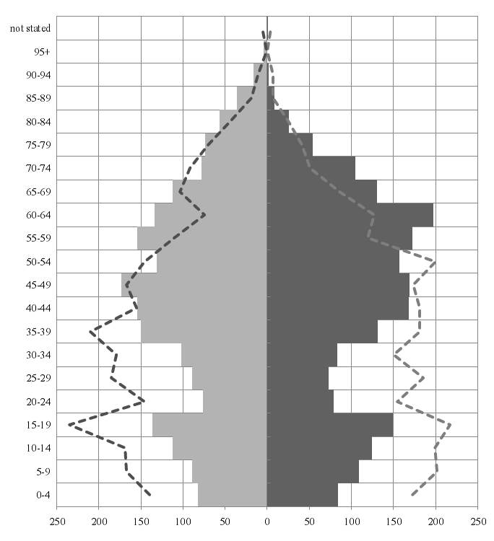
2.2 St Helenian resident population of St Helena
by age and gender: 1998 & 2008

Age Group

Female
Count
Male

Chart 2.2 shows the resident population of St Helena at the 1998 (dashed line) and 2008 (bars) Censuses.
In 1998 the resident population stood at 4,913 (2,481 males and 2,432 females) however by 2008 resident population had declined to 3,981 (2,022 males and 1,959 females).
Source: Statistics Office, CPPU, and Registar of births and deaths, Customer Services Centre.

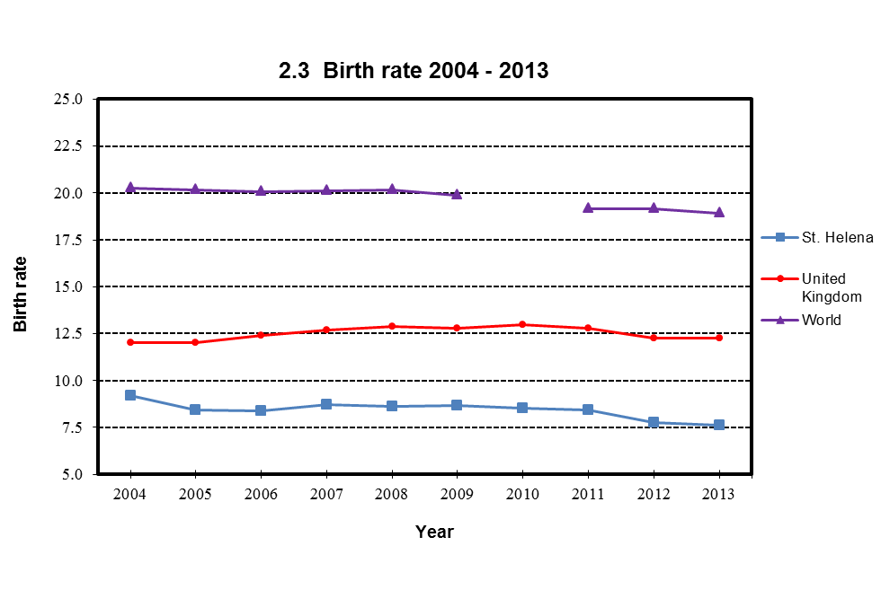

Chart 2.3 shows the St Helena infant mortality rate per 1,000 live births in a 5 year moving average. Birth rates for the United Kingdom and the World are crude birth rates.
Source: Registrar of births and deaths, Customer Services Centre, Office for National Statistics, Central Intelligence Agency (CIA)

 | Go to next page
 | Back to contents

2.4 charts
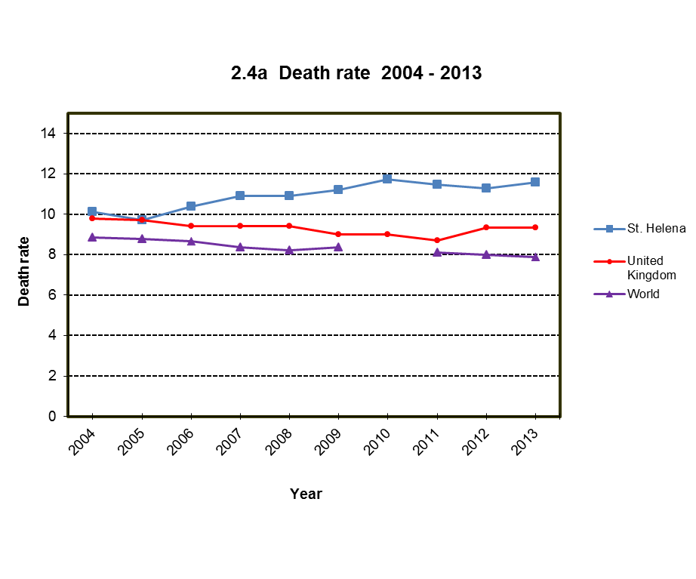

Chart 2.4a shows the St Helena death rate per 1,000 population using a 5 year moving average.
Death rates for the United Kingdom and the World are crude death rates.
Source: Registrar of births and deaths, Customer Services Centre, Office for National Statistics, Central Intelligence Agency (CIA)
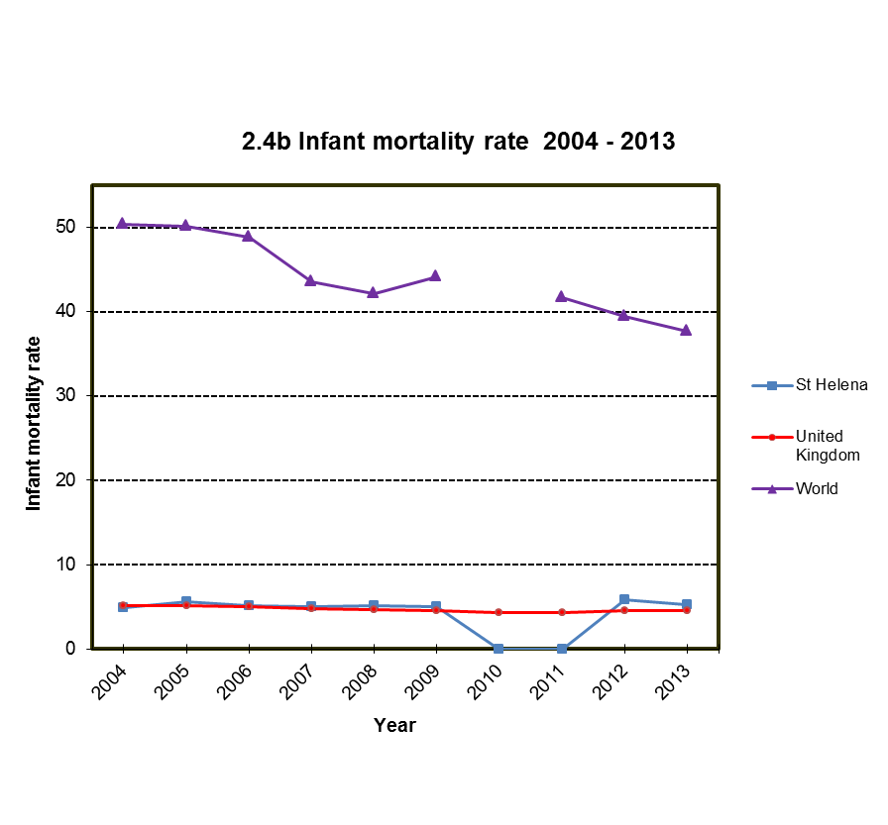

Chart 2.4b shows the St Helena infant mortality rate per 1,000 live births using a 5 year moving average. St Helena's infant mortality rate dropped to 0 in years 2010 and 2011.
Infant morality rates for the United Kingdom and the World are crude infant morality rates.
Source: Registrar of births and deaths, Customer Services Centre, Office for National Statistics, Central Intelligence Agency (CIA)

Go to next page
Back to contents

2.5 & 2.6 chart
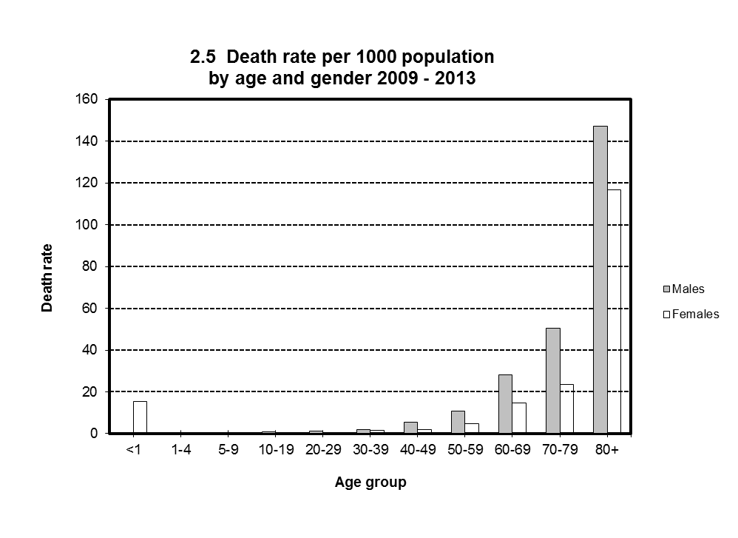

Source: Statistics Office, CPPU
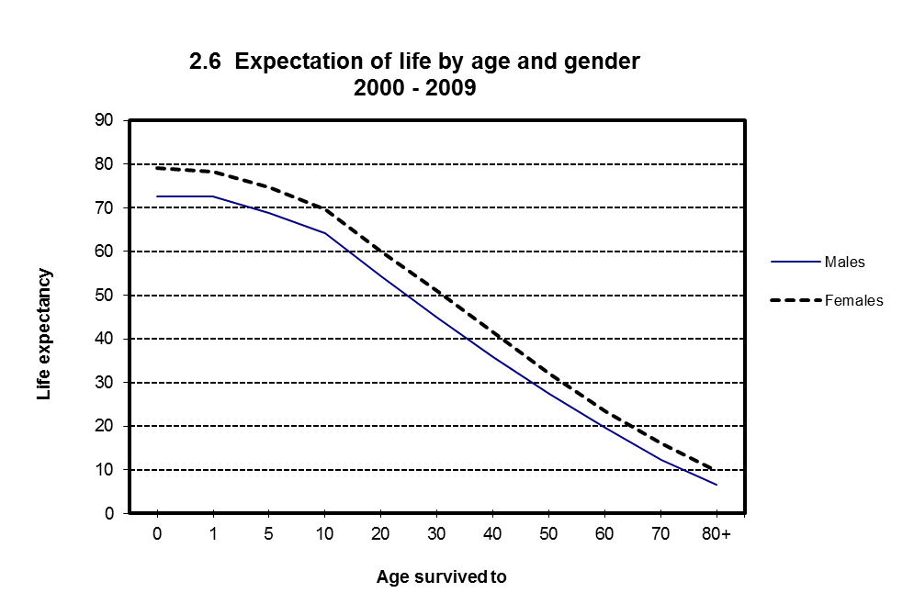

Source: Statistics Office, CPPU

Go to next page
Back to contents

