1.2
1.2 | UK aid to St Helena:
 | by financial year
1979/80 - 2011/12 |  |  |  |  |  |  | £ thousand
 | Budgetary | Shipping | Development |  | Technical |  | Total
 | Aid | Subsidy | Aid |  | Co-operation1
1979/80 | 1,299 | 1,540 | 510 |  | 407 |  | 3,756
1980/81 | 1,631 | 1,300 | 396 |  | 536 |  | 3,863
1981/82 | 1,835 | 1,737 | 776 |  | 577 |  | 4,925
1982/83 | 2,392 | 1,710 | 855 |  | 635 |  | 5,592
1983/84 | 2,722 | 2,322 | 1,722 |  | 566 |  | 7,332
1984/85 | 3,229 | 2,185 | 1,432 |  | 901 |  | 7,747
1985/86 | 3,664 | 2,064 | 2,836 |  | 1,467 |  | 10,031
1986/87 | 3,421 | 1,484 | 3,351 |  | 1,602 |  | 9,858
1987/88 | 2,240 | 1,303 | 2,918 |  | 1,547 |  | 8,008
1988/89 | 3,543 | 1,338 | 1,552 |  | 2,265 |  | 8,698
1989/90 | 3,904 | 1,685 | 2,191 |  | 1,986 |  | 9,766
1990/91 | 3,477 | 2,760 | 1,407 |  | 2,008 |  | 9,653
1991/92 | 3,424 | 920 | 1,398 |  | 2,187 |  | 7,929
1992/93 | 3,526 | 1,589 | 1,614 |  | 1,930 |  | 8,659
1993/94 | 3,496 | 1,071 | 1,051 |  | 2,364 |  | 7,982
1994/95 | 3,225 | 965 | 1,450 |  | 1,946 |  | 7,586
1995/96 | 4,726 | 1,245 | 694 |  | 1,798 |  | 8,463
1996/97 | 3,562 | 1,630 | 419 |  | 1,710 |  | 7,321
1997/98 | 3,209 | 1,401 | 703 |  | 2,022 |  | 7,335
1998/99 | 3,244 | 1,602 | 1,545 |  | 2,356 |  | 8,747
1999/00 | 2,388 | 3,070 | 1,082 |  | 2,347 |  | 8,887
2000/01 | 4,301 | 1,931 | 1,621 |  | 2,171 |  | 10,024
2001/02 | 4,000 | 2,030 | 1,674 |  | 2,639 |  | 10,343
2002/03 | 4,540 | 1,302 | 1,230 |  | 2,414 |  | 9,486
2003/04 | 5,124 | 2,366 | 904 |  | 2,609 |  | 11,003
2004/05 | 5,664 | 2,455 | 993 |  | 3,049 |  | 12,161
2005/06 | 7,141 | 3,056 | 1,845 |  | 416 | 2 | 12,458
2006/07 | 6,407 | 2,560 | 1,787 |  | 392 |  | 11,146
2007/08 | 7,535 | 2,582 | 5,207 | 3 | 422 |  | 15,746
2008/09 | 8,709 | 3,080 | 8,470 | 3 | 424 |  | 20,684
2009/10 | 7,650 | 3,390 | 7,523 | 3 | 2,050 |  | 20,613
2010/11 | 12,303 | 3,897 | 15,162 | 4 | 2,268 |  | 33,630
2011/12 | 12,100 | 4,750 | 6,833 |  | 2,643 |  | 26,326
 |  |  |  |  |  |  | Source: Corporate Finance
NB: These figures are not directly comparable with those shown in the SHG Estimates
SHG's financial year was not the same as the UK financial year from 1982 - 1985/86
1 A small percentage of the TC budget is spent on providing technical assistance to Tristan Da Cunha
2 Some elements of Technical Co-operation are now subsumed within Directorates budgets
3 These totals include EDF9 funding received from the European Union
4 The Development Aid figure for 2010/11 is significantly higher due to there being increased expenditure on the RMS & Rockfall Protection Projects
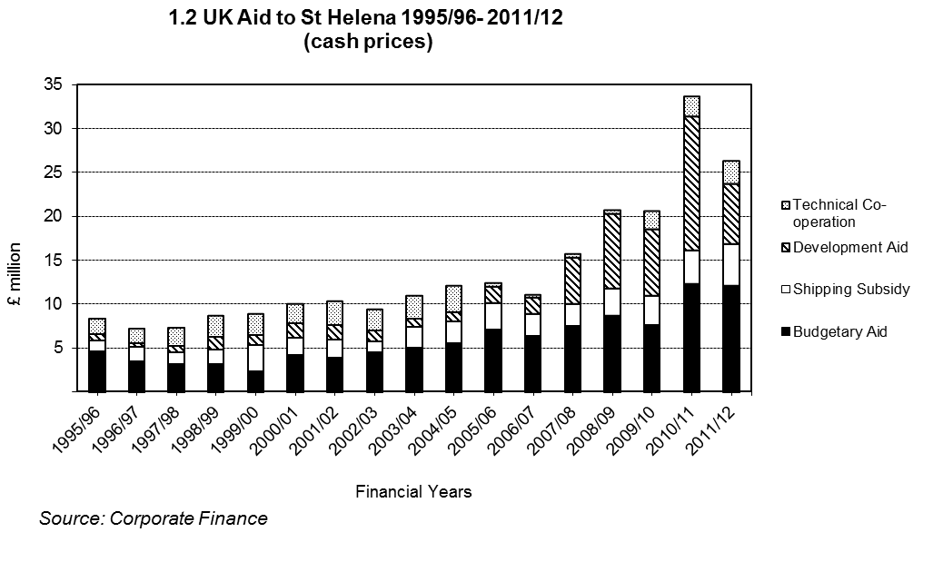

 |  |  |  |  |  |  |  | Go to next page
 |  |  |  |  |  |  |  | Back to contents

1.3
1.3 | Land use
1875-1989 |  |  |  |  |  |  |  |  |  |  | hectares
 |  |  |  |  |  | Pasture | Woodland & forest | Cultivated land | Flax | Barren | Total 1
1875 |  |  |  |  |  | 5492 | 233 | 105 | 0 | 5818 | 11648
1884 |  |  |  |  |  | 3237 | 162 | 121 | 0 | 8134 | 11654
1939 |  |  |  |  |  | 1882 | 165 | 121 | 1315 | 8660 | 12143
1955 |  |  |  |  |  | 1882 | 567 | 202 | 1356 | 8134 | 12141
1964 |  |  |  |  |  | 1813 | 773 | 259 | 1356 | 8013 | 12214
1965 |  |  |  |  |  | 1821 | 639 | 259 | 1303 | 8126 | 12148
19712 |  |  |  |  |  | 1156 | 1248 | 330 | 893 | 8473 | 12100
1977 |  |  |  |  |  | 1270 | 1380 | 180 | 790 | 8480 | 12100

 | Arable | Gardens | Pasture | Forest/ woods | Scrub | Flax | Cleared flax | Barren | Badland | Urban | Total
1989 2 | 54 | 323 | 1,383 | 673 | 2,577 | 335 | 77 | 5,548 | 917 | 213 | 12,100
 |  |  |  |  |  |  |  |  |  |  | Source: ANR, Environment and Natural Resources Directorate
1 The slight variations in the total area of St Helena prior to 1971 result from changes in measurement definitions.
2 Aerial surveys flown in 1971 and 1989.

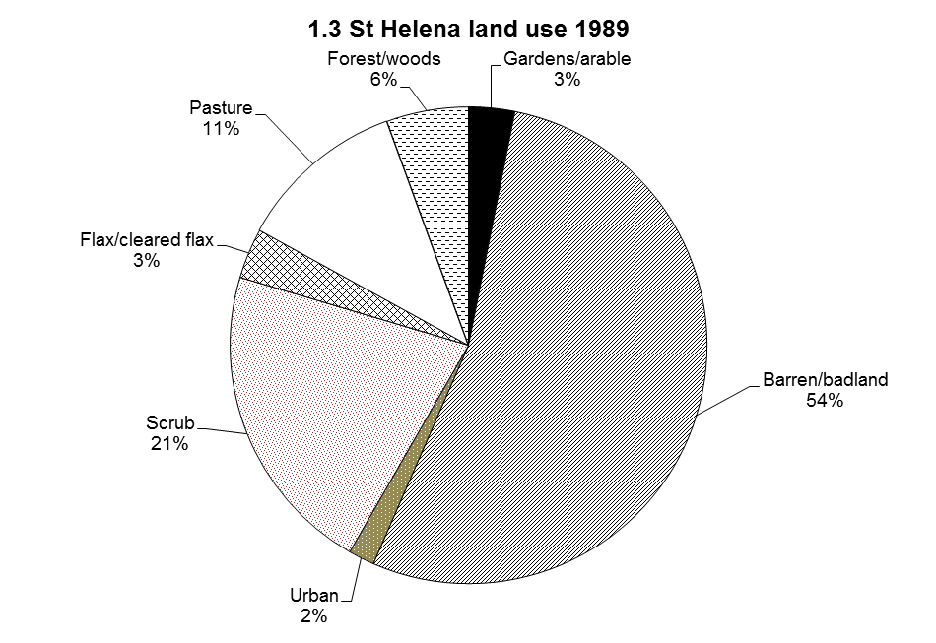

 |  |  |  |  |  |  |  |  |  |  | Go to next page
 |  |  |  |  |  |  |  |  |  |  | Back to contents

